Dashboard
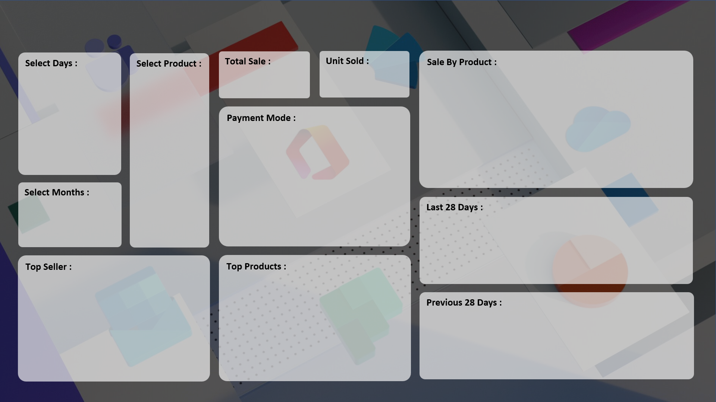
Dynamic Sales Dashboard in Excel
Amardeep Jha

₹ 1,78,58,190
7,679
 | Total
HDD 256 GB | 1295
Keyboard | 1320
Monitor | 904
Mouse | 787
Printer | 928
Scanner | 856
SSD 256 GB | 1589

 | Total
Cash | 3974
Online | 3705

 | Total
15-Oct | 5
16-Oct | 6
17-Oct | 5
18-Oct | 6
19-Oct | 2
20-Oct | 3
21-Oct | 5
22-Oct | 3
23-Oct | 1
24-Oct | 2
25-Oct | 3
26-Oct | 7
27-Oct | 6
28-Oct | 1
29-Oct | 3
30-Oct | 4
31-Oct | 2
01-Nov | 3
02-Nov | 4
03-Nov | 5
04-Nov | 6
05-Nov | 5
06-Nov | 4
07-Nov | 10
08-Nov | 3
09-Nov | 4
10-Nov | 5
11-Nov | 6

 | Total
Monitor | 2687400
Printer | 2597180
SSD 256 GB | 4379860
 | Total
ABC Traders | 1669
CCC Mart | 2426
RG Store | 2151

 | Total
17-Sep | 5
18-Sep | 6
19-Sep | 5
20-Sep | 6
21-Sep | 2
22-Sep | 3
23-Sep | 5
24-Sep | 3
25-Sep | 1
26-Sep | 2
27-Sep | 3
28-Sep | 7
29-Sep | 6
30-Sep | 1
01-Oct | 3
02-Oct | 4
03-Oct | 2
04-Oct | 3
05-Oct | 4
06-Oct | 5
07-Oct | 6
08-Oct | 5
09-Oct | 4
10-Oct | 10
11-Oct | 3
12-Oct | 4
13-Oct | 5
14-Oct | 6

Note: To view comfortably press CTRL+SHIFT+F1 to Full Screen

